ChisqTest
Two companies A and B were merged. After the first appraisal cycle post merger, employees orginally belonging to Company B have put an allegation that the management favors employees who were originally a part of company A. At 95% confidence perform a hypothesis test to validate if the claim holds good.

 |  |  | Company | Promotion Status
 |  |  |  | P | NP | Total
 |  |  | A | 15 | 9 | 24 |  | 0.625
 |  |  | B | 16 | 15 | 31 |  | 0.51612903226
Company | Status |  | Total | 31 | 24 | 55 | 0.56363636364
A | P
A | NP
B | P | Step 1 | H0: There is no influence of background on promotions
B | P |  | H1: Promotions are biased
A | NP

 |  | Step 2 | 0.05
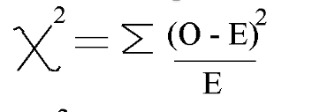
 |  | Step 3 |  |  | Observed | Expected | test statistic
 |  |  |  | AP | 15 | 13.527272727 | 0.1603372434
 |  |  |  | ANP | 9 | 10.472727273 | 0.20710227273
 |  |  |  | BP | 16 | 17.472727273 | 0.12413205941
 |  |  |  | BNP | 15 | 13.527272727 | 0.1603372434
 |  |  |  |  |  |  | 0.65190881894
 |  | Step 4 | 0.41943105261 |  | 0.41943105261

 |  | Step 5 | p_value > 0.05

